Instructions
Evaluation Tool
Version: | v. 1.0
Date: | 18/12/2023
Note: | This version of the Evaluation Tool is based on MITRE ATT&CK for ICS® v13. Please be aware that the latest version of the framework (v14) was published on 31.10.2023 (MITRE 2023a).
Created by: | Onni Eho
© 2023 The MITRE Corporation. This work is reproduced and distributed with the permission of The MITRE Corporation.
Introduction
The Evaluation Tool is originally designed for assessing the coverage of an organization’s OT security policy* against the mitigations included in MITRE ATT&CK for ICS v13 (MITRE 2023b). Therefore, its knowledge base is purely based on MITRE ATT&CK for ICS v13 (MITRE 2023c). Based on the findings of such an assessment organizations can seek to enhance their current defensive approach by including relevant countermeasures to supplement their existing policies. *For context, OT security policy is in this case understood as a collection of the policies defining the countermeasures an organization has implemented or plans to implement for safeguarding its OT environment.

Scope
"The major architectural focus of ATT&CK for ICS are the systems and functions associated with functional levels 0 – 2 of the Purdue architecture. Enterprise IT is not the focus of the ATT&CK for ICS knowledge base. Due to the use of IT platforms to host critical ICS applications such as HMIs, there is some overlap between the Enterprise and ICS technology domains. Nonetheless, ATT&CK for ICS has a primary focus on the actions that adversaries take against the non-IT based systems and functions of ICS." (Alexander et al. (2020, p. 2). Therefore, as the Evaluation Tool in its current form is purely based on the knowledge derived from MITRE ATT&CK for ICS, similar limitations apply to its scope.

Content
Evaluation Criteria
The "Evaluation Criteria"-sheet includes one group of rows for each mitigation included in MITRE ATT&CK for ICS v13. This sheet was created to serve most of the assessment-related needs. Thus, the sheet includes fields that were deemed necessary to support such an effort. To keep the tool lightweight and easy to use, it does not include detailed information about the techniques and tactics. Rather, further information is made easily accessible through hyperlinks that lead to MITRE’s descriptions. In addition to the mitigation-related information, the Evaluation Criteria includes two fields for the assessment. Firstly, “Notes” is a free space reserved for mitigation related comments. “Status” is used to indicate how the mitigation has been addressed in an organization’s OT security policy. The assessor can choose the values used for the evaluation. As an example, one can use a three-level classification for each mitigation: "Addressed", "Not Addressed" and "Partly Addressed". Whereas “Addressed” and “Not Addressed” are obvious choices, “Partly Addressed” can be used for situations where the mitigation is not completely addressed, but some parts of it have clearly been included. Furthermore, if one wishes to exclude some of the mitigations from the assessment, for example "Not Applicable" can be used.

Database
Each mitigation in MITRE ATT&CK for ICS may be associated with multiple techniques which can be further associated with multiple tactics.
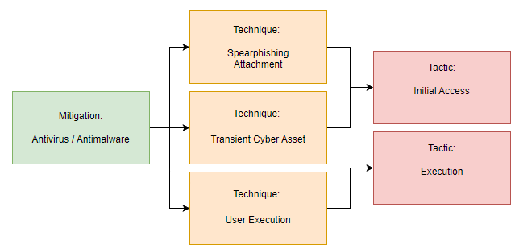

Database-sheet is used to store the assessment data in a format which can be used to visualize the results with Power BI in a way that the essence of MITRE ATT&CK for ICS remains. In practice, this means that mitigations can be associated with the techniques they address, and the techniques can be associated with the related tactics. Examples of such visalizations can be seen below. The examples are created from demo-data and do not represent the status of any real-life organization.

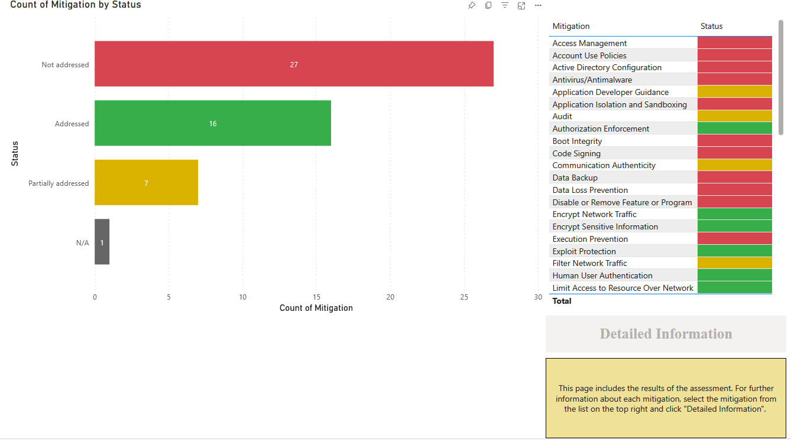
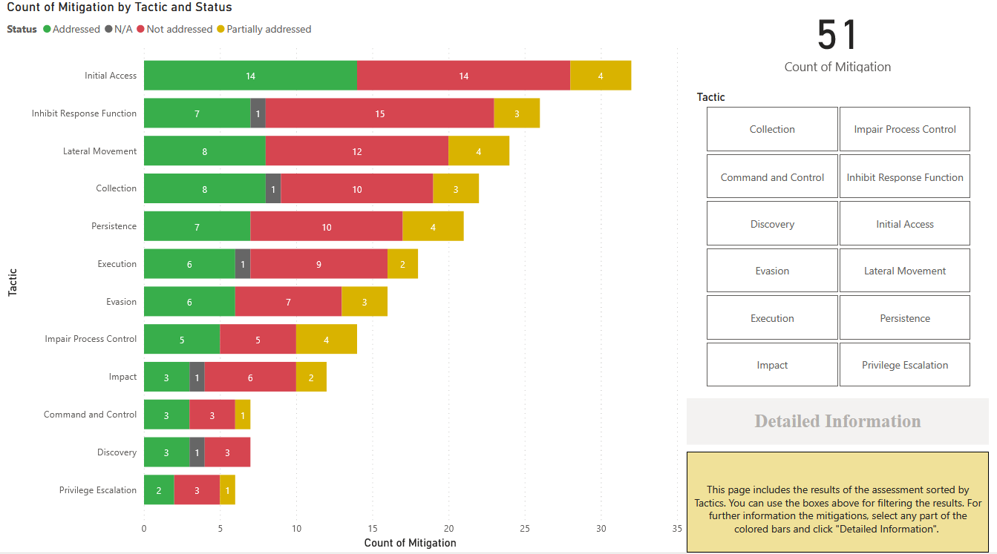

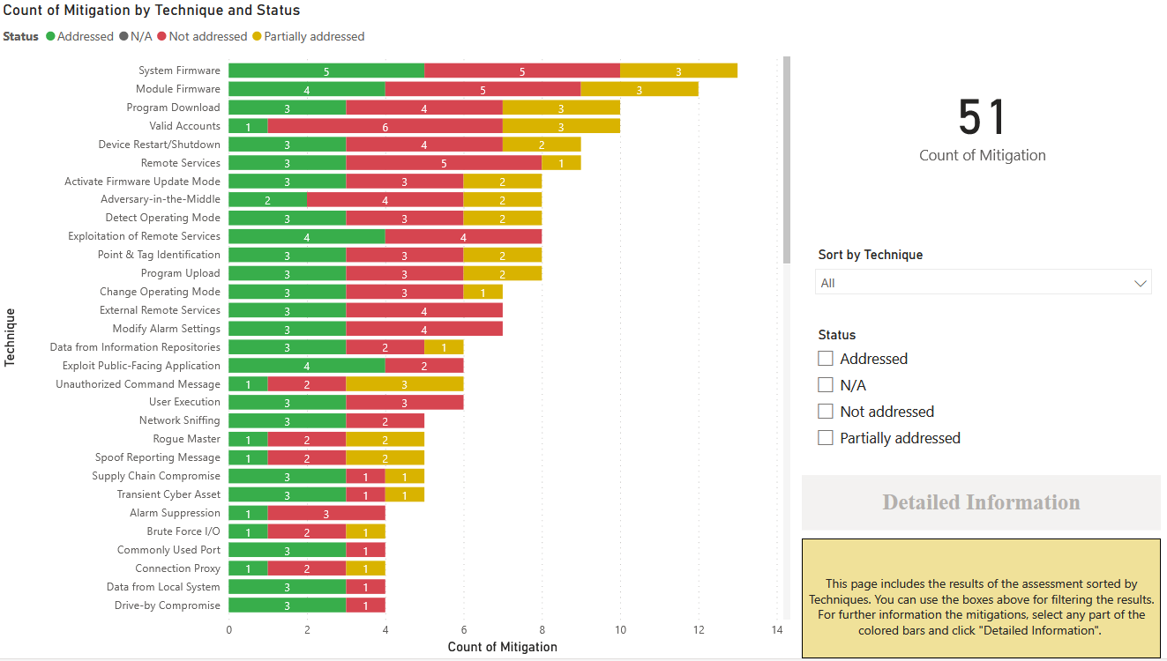

The “Status”-fields in the Database-sheet are linked to a corresponding field in the Evaluation Criteria-sheet. Therefore, the value of the status field in the Database will be updated based on the value of the “Status”-field in the Evaluation Criteria-sheet. Hence, while the Database contains 396 rows representing all mitigations and their associations with the corresponding techniques and tactics, this sheet does not need to be manually modified. Furthermore, it should be noted that the information in “Description”-field in the Database-sheet may differ from the corresponding field in the Evaluation Criteria-sheet. This is because the overall description of a mitigation can be slightly different than the description provided for the mitigation in the context of a technique. For further reference, look at for example "Antivirus/Antimalware"-mitigation (MITRE 2023d).

Assessment Process
The usage of Evaluation Tool is not tied to any strict process. However, the below figure represents an example process through the functionalities of the Evaluation Tool.
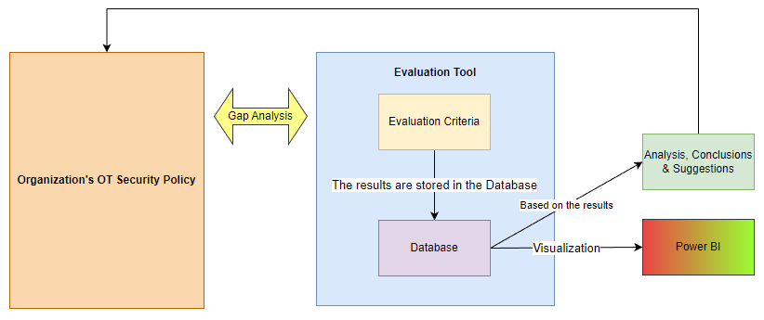

The assessment is performed as a gap analysis. In practice, an organization’s OT security policy is compared to the mitigations derived from MITRE ATT&CK for ICS that are included in the Evaluation Criteria. An organization may choose to exclude certain mitigations from the Criteria based on organization-specific needs by, for example, marking the status of these as “Not Applicable”. In the proposed approach, the status of applicable mitigations is marked either as “Addressed”, “Not Addressed”, or “Partly Addressed”. However, the assessor may choose to use a different criterion if deemed necessary. The assessment is done via the Evaluation Criteria and the results are automatically stored in the Database. If required, the results stored in the Database can be visualized. The Evaluation Tool does not include ready-made visualizations. Whereas Excel provides visualization capabilities which can be used for this purpose, tools such as Power BI can extend the capabilities. Depending on the needs of the organization, the Database can be reorganized to support different kinds of visualizations. The most important part of the process is interpreting the results. The findings of the assessment should be analyzed and concluded. Furthermore, where feasible, suggestions on enhancing the OT security policy of an organization should be made based on the results. Upon reviewing the results, conclusions, and recommendations the organization can use the information to extend the existing policy. The Evaluation Tool itself is easy to use. From the Tools perspective, a person or an organization using the tool should focus on understanding its content. Understanding the other entity of the gap analysis is equally important. Therefore, all relevant documentation about the organization’s OT security policy should be reviewed. Involving the organization’s subject matter experts can help by providing information that is not documented, and aid in interpreting the documentatio

References
Alexander, O., Belisle, M., & Steele, J. (2020a). MITRE ATT&CK for industrial control systems: Design and philosophy. The MITRE Corporation: Bedford, MA, USA, 29.
MITRE. (2023a). Versions of ATT&CK. |  | https://attack.mitre.org/resources/versions/
MITRE. (2023b). ICS Mitigations. |  | https://attack.mitre.org/versions/v13/mitigations/ics/
MITRE. (2023c). MITRE ATT&CK for ICS v13. |  |  | https://attack.mitre.org/versions/v13/
MITRE. (2023d). Antivirus/Antimalware-mitigation. |  |  |  | https://attack.mitre.org/versions/v13/mitigations/M0949/

